Census Information
Work mainly at or from home | 72
Underground, metro, light rail, tram | 0
Train | 207
Bus, minibus or coach | 11
Motorcycle, scooter or moped | 0
Driving a car or van | 338
Passenger in a car or van | 35
Taxi or minicab | 6
Bicycle | 3
On foot | 160
Other | 6
Census Information
Haywards Heath - Master Plan
 | Population/car and van availability |  |  | Employment
2011 Super Output Areas - lower layer | Population for all usual residents |  |  | People aged 16 to 74 in employment
E01031761
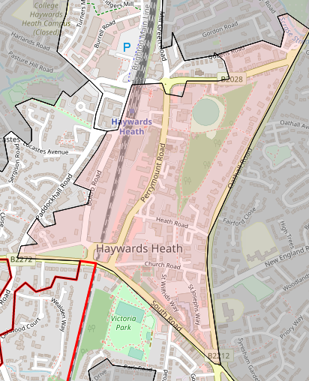
 | Total | 2,035 |  | Total | 838

 | Total number of Households |  |  | Method of travel to work

 | Total | 1,103 |  | Work mainly at or from home | 72
 |  |  |  | Underground, metro, light rail, tram | 0
 | Breakdown of number cars and vans |  |  | Train | 207
 | No car or van in household |  | 366 | Bus, minibus or coach | 11
 | 1 car or van per household |  | 561 | Motorcycle, scooter or moped | 0
 | 2 cars or vans per household |  | 145 | Driving a car or van | 338
 | 3 cars or vans per household |  | 22 | Passenger in a car or van | 35
 | 4 cars or vans per household |  | 9 | Taxi or minicab | 6
 |  |  |  | Bicycle | 3
 |  |  |  | On foot | 160
 |  |  |  | Other | 6

Managers and senior officials | 184
Professional occupations | 124
Associate professional and technical occupations | 146
Administrative and secretarial occupations | 133
Skilled trades occupations | 59
Personal service occupations | 46
Sales and customer service occupations | 59
Process, plant and machine operatives | 28
Elementary occupations | 61

 |  |  |  | Occupation
 |  |  |  | Occupation of people in employment
 |  |  |  | Managers and senior officials | 184
 |  |  |  | Professional occupations | 124
 |  |  |  | Associate professional and technical occupations | 146
 |  |  |  | Administrative and secretarial occupations | 133
 |  |  |  | Skilled trades occupations | 59
 |  |  |  | Personal service occupations | 46
 |  |  |  | Sales and customer service occupations | 59
 |  |  |  | Process, plant and machine operatives | 28
 |  |  |  | Elementary occupations | 61

